Kazam EV Bug Report
Bug ID | Module | Bug Description | Step to reproduce | Test Data | Expected result | Actual Result | Severity | Priority | Screenshot/video | Device Description | Reported BY | Date
TC001 | Login Page | The application is not accepting valid phone numbers during login. | 1.Open the application. 2.Click on the country dropdown. 3.Select "United Arab Emirates". 4.Enter a valid phone number. 5.Attempt to log in using the valid credentials. | Valid UAE Mobile Numbers-41234567, 49876543, 45551234, 43421098 | The application should accept the valid phone number, and the user should be redirected to the login page of Kanzam EV. | The application does not accept the valid phone number, preventing login. | P0 | High | 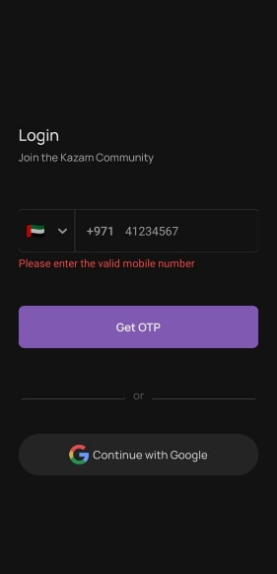 | Android 13 OnePlus Nord CE4 | Samsher | 22-Jan-25
TC002 | Login Page | The search icon is not displaying in the header section of the country dropdown. | 1.Open the application. 2.Click on the country dropdown. | NA | The search icon should be displayed in the header section of the country dropdown. | The search icon is not displayed in the header section of the country dropdown. | P3 | Low | 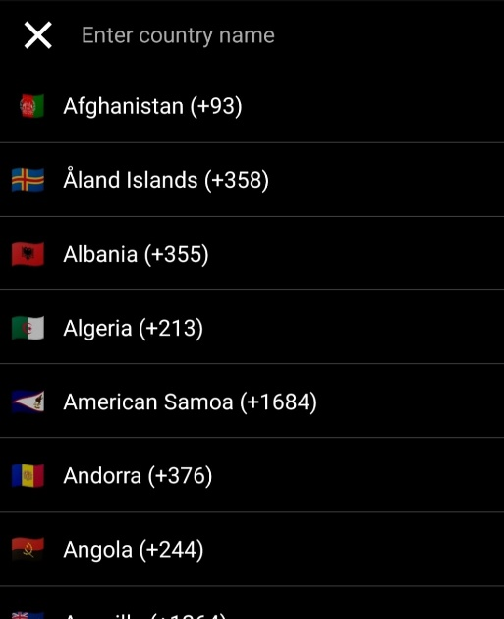 | Android 13 OnePlus Nord CE5 | Samsher | 23-Jan-25
TC003 | Login Page | The error message "Please enter the valid mobile number" is displayed incorrectly even when a valid mobile number is entered. | 1.Open the application. 2.Enter an invalid mobile number (e.g., 86050038). 3.Click on "Get OTP." 4.Enter a valid mobile number (e.g., 8605003807) | invalid Mobile Number-86050038 valid Mobile Number- 8605003807. | The error message "Please enter the valid mobile number" should not be displayed when a valid mobile number is entered. | The error message "Please enter the valid mobile number" is displayed, even after entering a valid mobile number. | P2 | Medium | 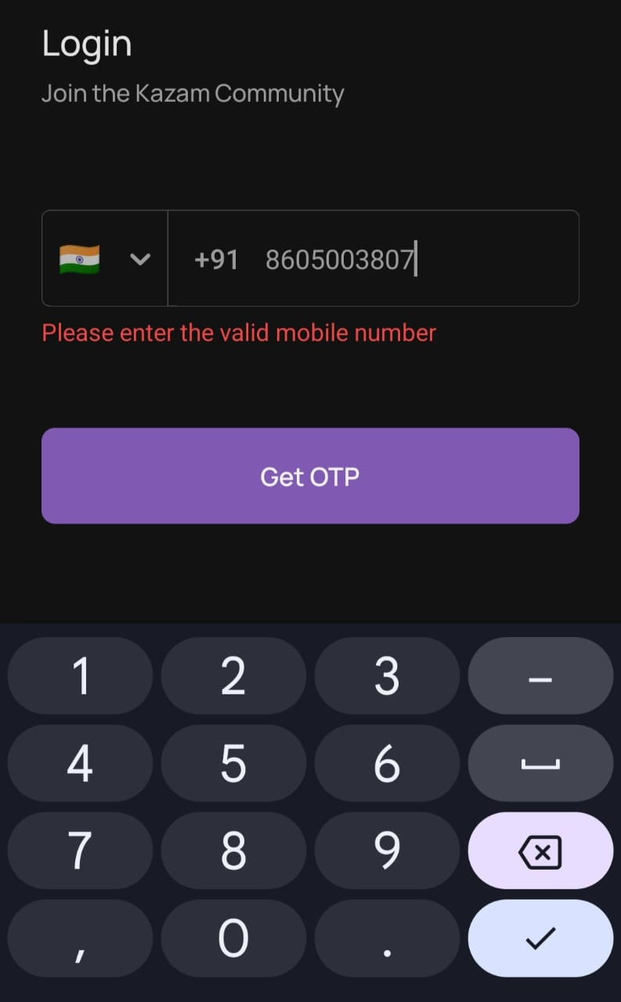 | Android 13 OnePlus Nord CE6 | Samsher | 24-Jan-25
TC004 | Login Page | The user is unable to register with an email ID using the "Continue with Google" option. | 1Open the application. 2.Click on "Continue with Google." 3.Select the registered email | Valid Email ID- samthakur3807@gmail.com, samshersingh0831@gmail.com | The user should be successfully registered and redirected to the login page of Kanzam EV after selecting a registered email. | The user is not able to register with the email ID, and the registration process fails. | P1 | High |  | Android 13 OnePlus Nord CE7 | Samsher | 25-Jan-25
TC005 | Login Page | Unable to scroll up/down to select vehicle after login | . Opened the Kazam EV App. 2. Entered a valid mobile number (8605003807). 3. Clicked on the "Yes" radio button. 4. Clicked on "Select Your Vehicle". | Valid Mobile Number-8605003807 | User should be able to scroll up/down to select a vehicle. | User is not able to scroll up/down to select a vehicle. | P2 | High | 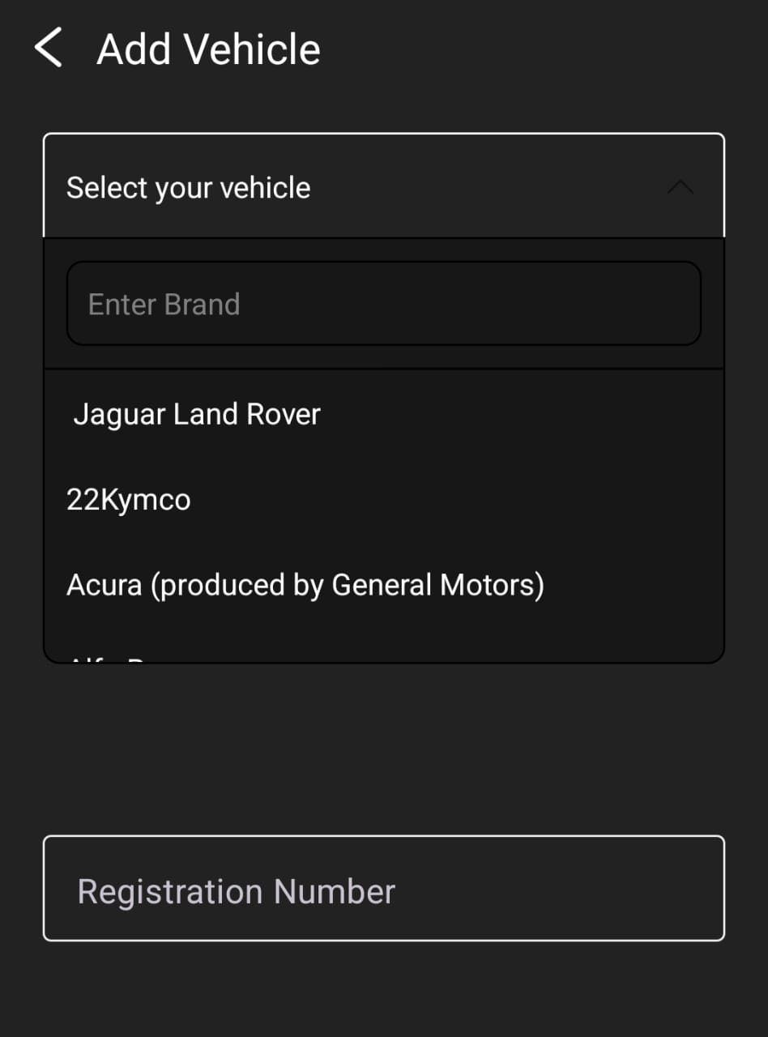 | Android 13 OnePlus Nord CE8 | Samsher | 26-Jan-25
TC006 | HomePage | Unable to cancel update on Home Page | 1. Opened the Kazam EV App. 2. Entered a valid mobile number. 3. Clicked on "Get OTP". 4. Entered the OTP. | Valid Mobile Number-8605003807 | User should be able to cancel the update. | User is not able to cancel the update. | P1 | High | 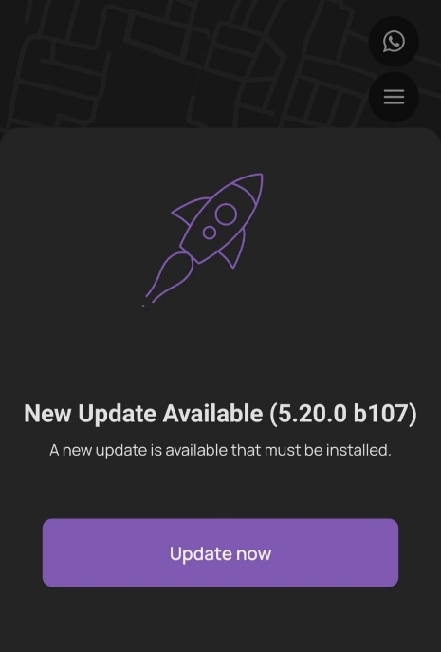 | Android 13 OnePlus Nord CE9 | Samsher | 27-Jan-25
TC007 | Bookings Button | Bookings Button not loading properly | 1. Opened the Kazam EV App. 2. Entered a valid mobile number. 3. Clicked on "Get OTP". 4. Entered the OTP. 5. Clicked on the Bookings Button. | Valid Mobile Number-8605003807 | The Bookings Button should load properly. | The Bookings Button is not loading properly. | P3 | Medium |  | Android 13 OnePlus Nord CE10 | Samsher | 28-Jan-25
TC008 | Bookings Button | Cancel button text misspelled on Charger Booking page | 1. Opened the Kazam EV App. 2. Entered a valid mobile number. 3. Clicked on "Get OTP". 4. Entered the OTP. 5. Clicked on the Bookings Button. 6. Clicked on "Find nearby Chargers". 7. Clicked on "Current location". 8. Clicked on the "Cancel" button. | NA | The Cancel button text should be displayed with the correct spelling. | The Cancel button text is not displaying with the correct spelling. | P3 | Medium | 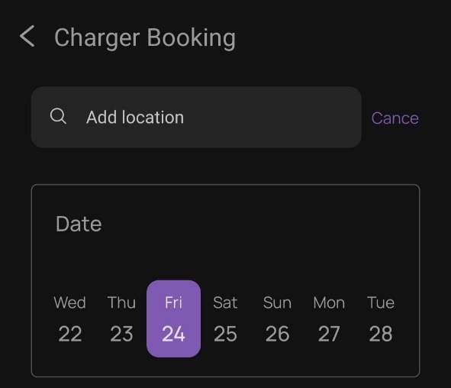 | Android 13 OnePlus Nord CE11 | Samsher | 29-Jan-25
TC009 | Bookings Button | 3 the footer section of Pin Socket dropdown not visible properly on Charger Booking page | 1. Opened the Kazam EV App. 2. Entered a valid mobile number. 3. Clicked on "Get OTP". 4. Entered the OTP. 5. Clicked on the Bookings Button. 6. Clicked on "Find nearby Chargers". 7. Clicked on the 3 Pin Socket dropdown. | NA | The Footer section dropdown of 3 Pin Socket should be visible properly. | The Footer section dropdown of 3 Pin Socket is not visible properly. | P4 | Low | 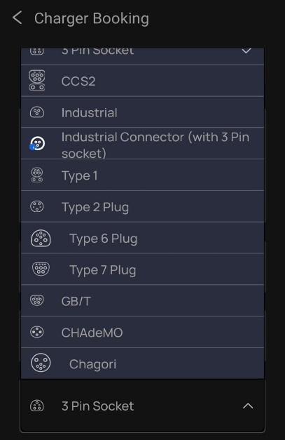 | Android 13 OnePlus Nord CE12 | Samsher | 30-Jan-25
TC010 | Bookings Page | Review submission failed on Review page | 1. Open the Kazam EV App. 2. Enter a valid mobile number. 3. Click on "Get OTP". 4. Enter the OTP. 5. Click on the Bookings Button. 6. Click on "Find nearby Chargers". 7. Click on "Search for chargers". 8. Select an available charger. 9. Click on the selected charger. 10. Click on "REVIEWS". 11. Click on "Write review". 12. Write a 250-word review. 13. Give a rating by clicking on stars. 14. Click on "Submit". | Review- "I am thoroughly impressed with the exceptional service provided by [EV Charger Company]! As a proud owner of an electric vehicle, I was initially concerned about finding reliable and efficient charging solutions. However, [EV Charger Company] has ex Star rating - 4 | The application should successfully submit the review. | The application is not successfully submitting the review. | P1 | High | 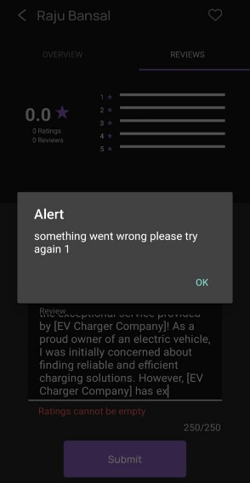 | Android 13 OnePlus Nord CE13 | Samsher | 31-Jan-25
TC011 | Profile Page | Unable to add profile picture on Profile page | 1. Open the Kazam EV App. 2. Enter a valid mobile number. 3. Click on "Get OTP". 4. Enter the OTP. 5. Click on the Profile Button. 6. Attempt to add a profile picture. | NA | User should be able to add their profile picture. | User is not able to add their profile picture. | P3 | Medium | 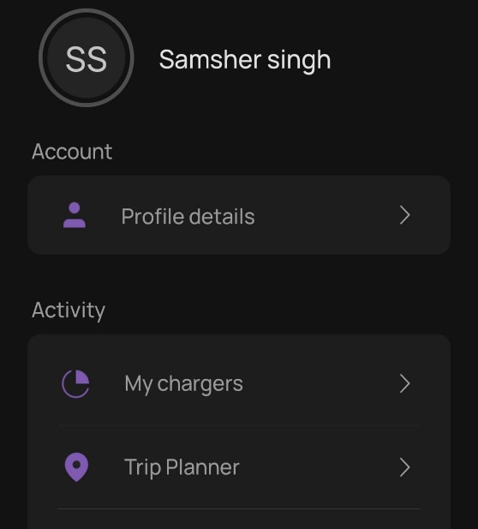 | Android 13 OnePlus Nord CE14 | Samsher | 1-Feb-25
TC012 | Profile Page | Name field accepting numbers on Profile details page | 1. Open the Kazam EV App. 2. Enter a valid mobile number. 3. Click on "Get OTP". 4. Enter the OTP. 5. Click on the Profile Button. 6. Click on "Profile details". 7. Enter numbers in the name field. | Sam1234 | Name field should not accept numbers. | Name field is accepting numbers. | P1 | High | 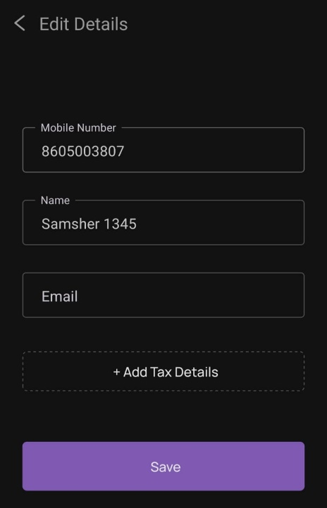 | Android 13 OnePlus Nord CE15 | Samsher | 2-Feb-25
TC013 | Profile Page | Application accepting invalid email ID on Profile details page | 1. Open the Kazam EV App. 2. Enter a valid mobile number. 3. Click on "Get OTP". 4. Enter the OTP. 5. Click on the Profile Button. 6. Click on "Profile details". 7. Enter an invalid name in the name field. 8. Enter an invalid email ID. | Invalid email ID-Raja@gmail.com | Application should not accept an invalid email ID. | Application is accepting an invalid email ID | P1 | High | 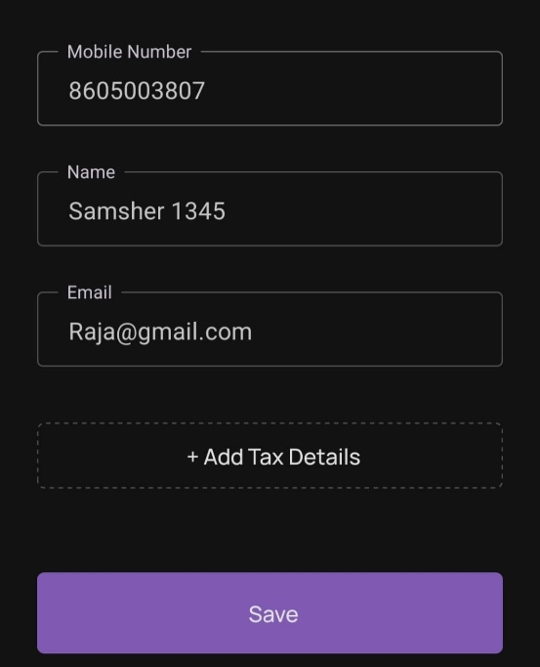 | Android 13 OnePlus Nord CE16 | Samsher | 3-Feb-25
TC014 | Profile Page | Application saving profile data with invalid credentials | 1. Open the Kazam EV App. 2. Enter a valid mobile number. 3. Click on "Get OTP". 4. Enter the OTP. 5. Click on the Profile Button. 6. Click on "Profile details". 7. Enter an invalid name in the name field. 8. Enter an invalid email ID. 9. Click on the "Save" Button. | Invalid Name-Sam1234, Invalid email ID-Raja@gmail.com | Application should not save data with invalid credentials. | Application is saving data with invalid credentials. | P1 | High | 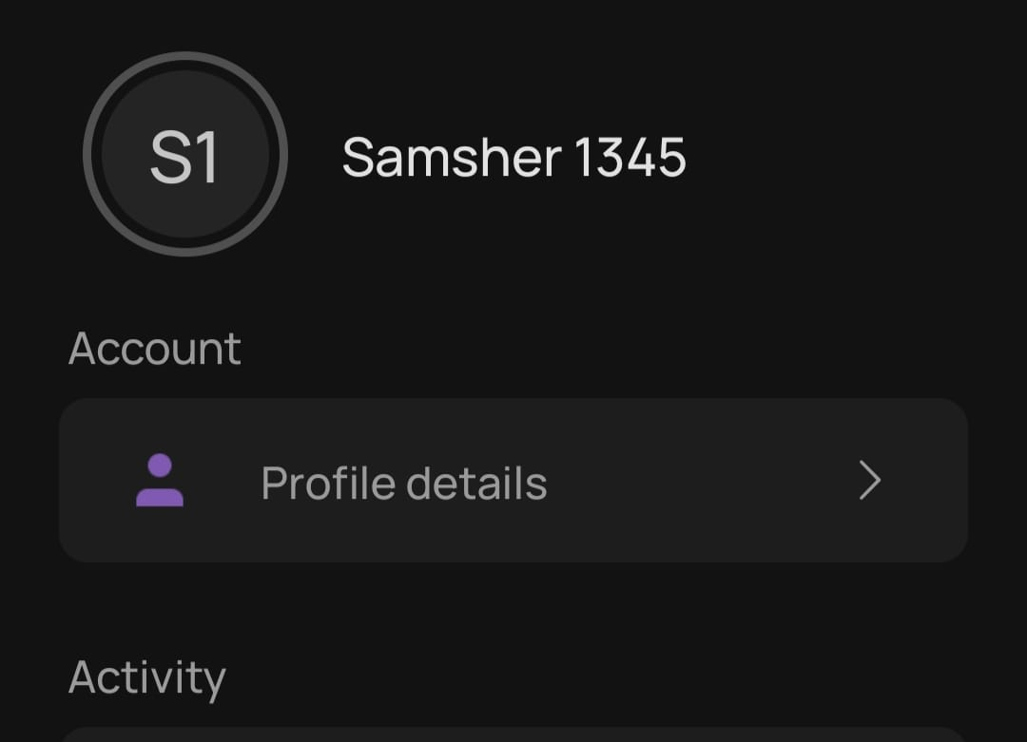 | Android 13 OnePlus Nord CE17 | Samsher | 4-Feb-25
TC015 | Profile Page | Application accepting invalid tax details and address | 1. Open the Kazam EV App. 2. Enter a valid mobile number. 3. Click on "Get OTP". 4. Enter the OTP. 5. Click on the Profile Button. 6. Click on "Profile details". 7. Click on "Add Tax Details". 8. Enter invalid business name. 9. Enter invalid tax details. 10. Enter invalid address. | Invalid Data- Buissness name-samss123. GST No-123sam456@ Address-123pateri,@pune,Bharat,Banglore | Application should not accept invalid data. | Application is accepting invalid data. | P1 | High | 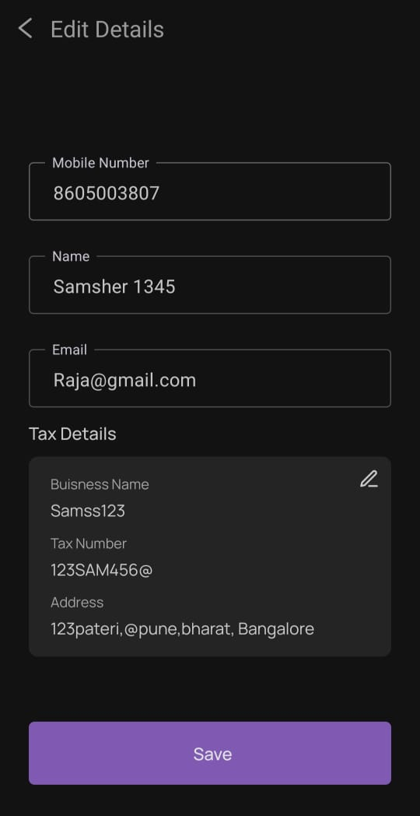 | Android 13 OnePlus Nord CE18 | Samsher | 5-Feb-25
TC016 | Profile Page | Application not displaying error message for invalid tax details and address | 1. Open the Kazam EV App. 2. Enter a valid mobile number. 3. Click on "Get OTP". 4. Enter the OTP. 5. Click on the Profile Button. 6. Click on "Profile details". 7. Click on "Add Tax Details". 8. Enter invalid business name. 9. Enter invalid tax details. 10. Enter invalid address. | Invalid Data- Buissness name-samss123. GST No-123sam456@ Address-123pateri,@pune,Bharat,Bangalore | Application should display an error message for invalid data. | Application is not displaying an error message. | P1 | High | 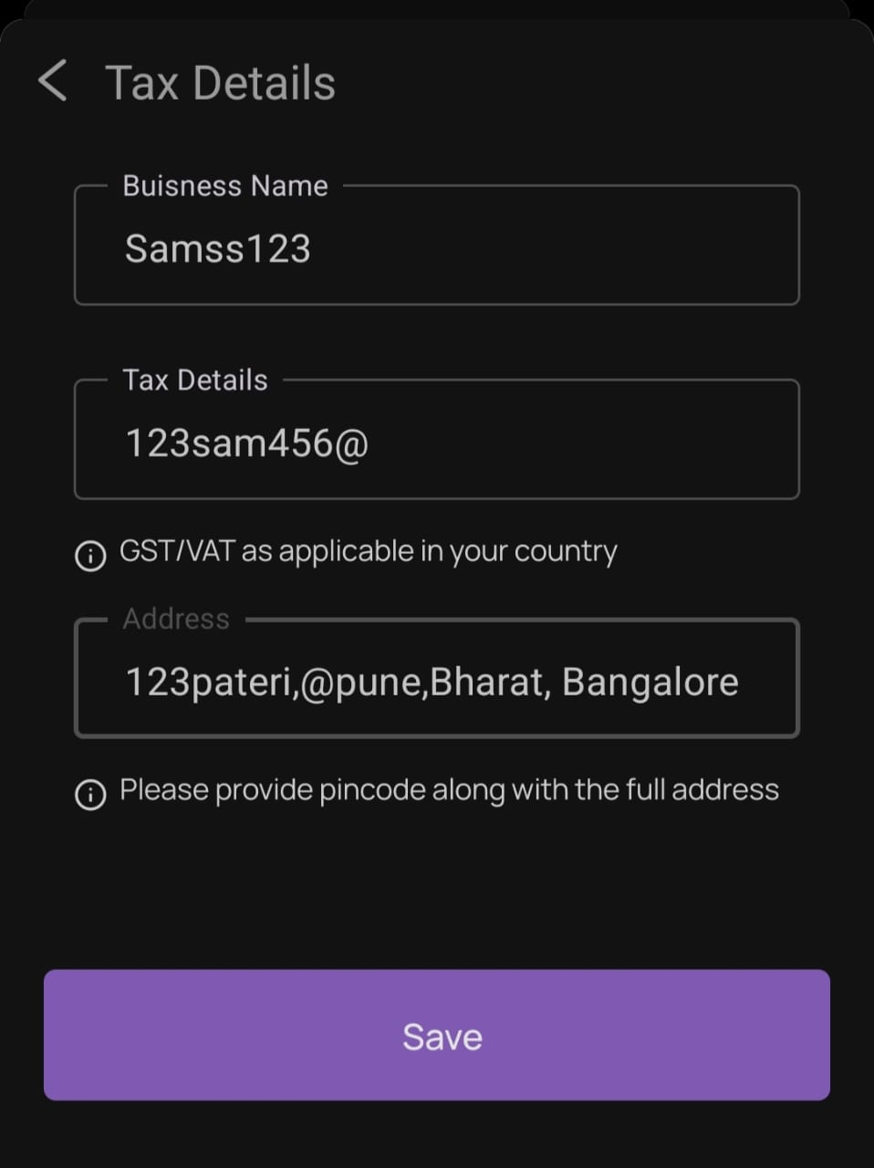 | Android 13 OnePlus Nord CE19 | Samsher | 6-Feb-25
TC017 | Profile Page | Application saving invalid tax details and address | 1. Open the Kazam EV App. 2. Enter a valid mobile number. 3. Click on "Get OTP". 4. Enter the OTP. 5. Click on the Profile Button. 6. Click on "Profile details". 7. Click on "Add Tax Details". 8. Enter invalid business name. 9. Enter invalid tax details. 10. Enter invalid address. 11.click on save. | Invalid Data- Buissness name-samss123. GST No-123sam456@ Address-123pateri,@pune,Bharat,Bangalore | Application should not save invalid data. | Application is saving invalid data. | P1 | High | 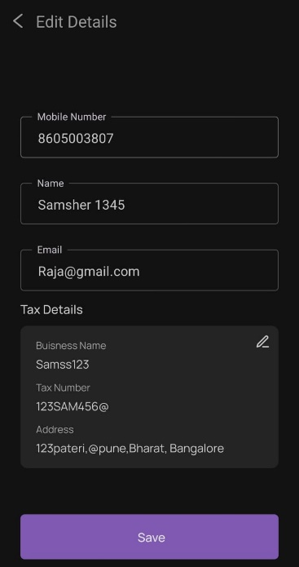 | Android 13 OnePlus Nord CE20 | Samsher | 7-Feb-25
TC018 | Profile Page | Application not saving added vehicles | 1. Open the Kazam EV App. 2. Enter a valid mobile number. 3. Click on "Get OTP". 4. Enter the OTP. 5. Click on the Profile Button. 6. Click on "My vehicles". 7. Click on "Add vehicles". 8. Select vehicle type. 9. Enter registration number. | Select vehicle-eg(Ola) Registration Number-8605003807 | Application should save the added vehicle. | Application is not saving the added vehicle. | P1 | HIgh | 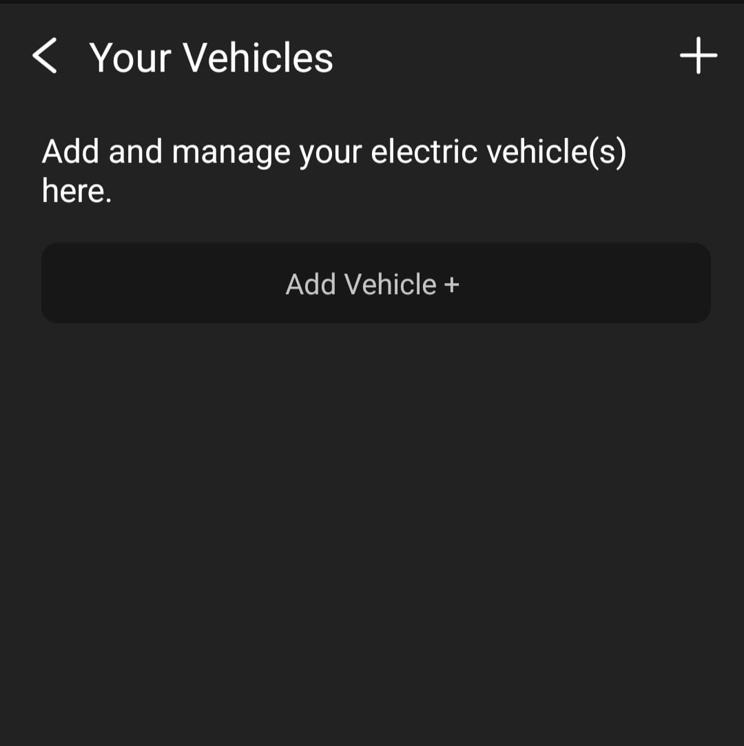 | Android 13 OnePlus Nord CE21 | Samsher | 8-Feb-25

